Instructions
 |  | 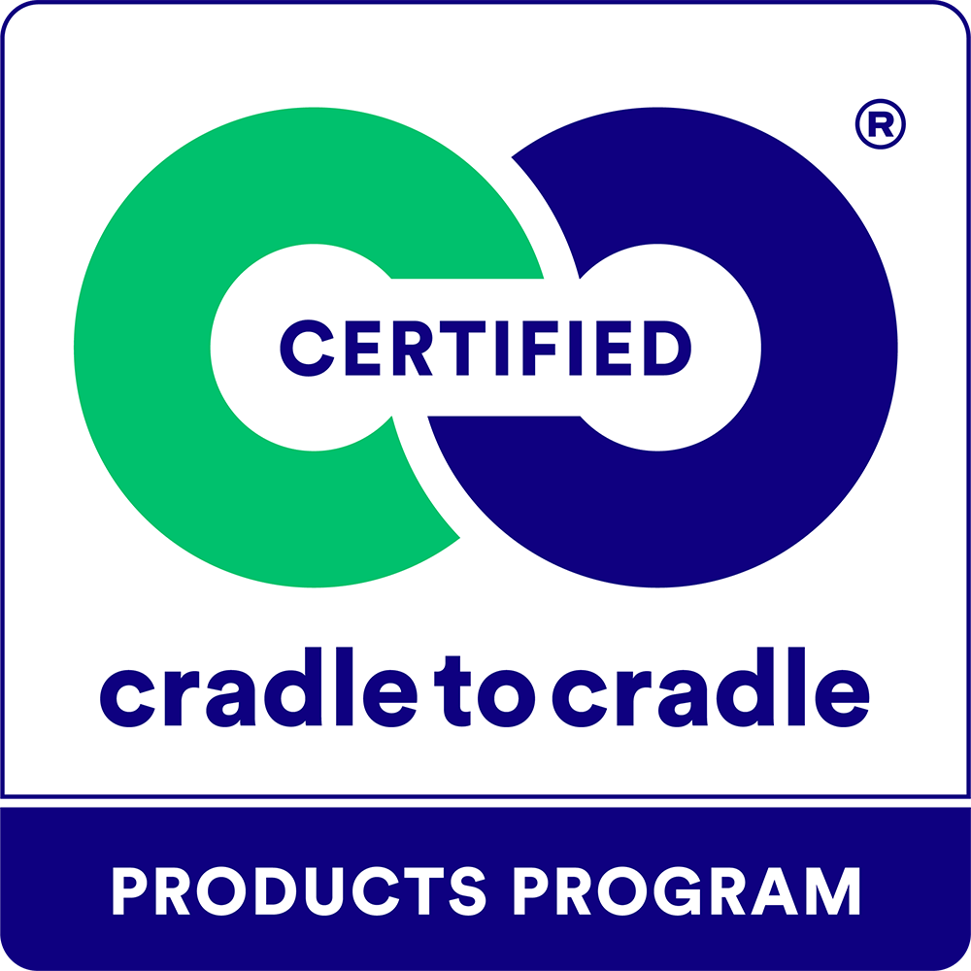
Assessment Form for the Cradle to Cradle Certified® Products Program
Assessment Form Version Date: | 2025-01-29

Purpose
This purpose of this document is to summarize the outcomes of the assessment of products applying for Cradle to Cradle certification according to Version 4.1 of the Cradle to Cradle Certified Product Standard (‘the standard’). The intention is that an accurately completed form contains all of the information required for third-party review by the Cradle to Cradle Products Innovation Institute (C2CPII) for the purposes of awarding certification.
Worksheet Overview

IAR Guidance | Guidance for submitting an Interim Assessment Review Assessment to transition from Version 4.0 to Version 4.1.
Attestations (1) | Assessor Attestations to be signed by the Assessor(s) prior to submission to C2CPII. The attestations on this tab must be used when a Material Health assessment body will verify all Material Health related requirements. These attestations represent the new way of working that is in process of being implemented in early 2025.
Attestations (2) | Alternative Assessor Attestations to be signed by the Assessor(s) prior to submission to C2CPII. The attestations on this tab must be used when a Material Health assessment body will verify all ABC-X assessment ratings (at minimum). These attestations represent the prior way of working and are essentially the same attestations that have been used in the past.
Admin | Administrative information required for certification assessment.
Facilities | A list of relevant final manufacturing facilities within the scope of assessment.
Products Covered | A list of all uniquely identified products covered by the certification.
Eligibility | Eligibility requirements for a product to participate in the certification program.
General | General requirements of the certification program.
Material Health | Requirements for the Material Health category of the certification standard.
MH Assessment Info | To be filled out only by a Material Health Assessor, to verify conformance with the Material Health Assessment Methodology.
MHC & Optional MH Reporting | Information to be provided for products seeking a Material Health Certificate.
Product Circularity | Requirements for the Product Circularity category of the certification standard.
Clean Air & Climate Protection | Requirements for the Clean Air & Climate Protection category of the certification standard.
Water & Soil Stewardship | Requirements for the Water & Soil Stewardship category of the certification standard.
Social Fairness | Requirements for the Social Fairness category of the certification standard.
Packaging | Requirements related to the inclusion of product packaging within the scope of certification.
Animal Welfare | Requirements related to the Animal Welfare section of the certification standard.
Change log | List of changes made to this form (tab may be unhidden by right clicking on a tab and choosing unhide)
Open Review Questions | Compilation of data and comments in all tabs for use during the application review process (tab may be unhidden by right clicking any tab and choosing unhide)
Instructions for Applicants
Applicants may use this form as a starting point in gathering documentation in support of certification, and to self assess progress towards meeting all requirements of the standard. Starting with the Eligibility tab, each category of the standard has a corresponding tab in this worksheet with a table featuring all requirements that must be met to achieve each level of the standard. Applicants should use the "Applicant Checklist" section of each table to mark whether they believe the requirement has been completed. An applicant may also mark a requirement as Not Completed or Uncertain, to come back to it later or get help from their assessor. For each requirement, one or more documents should be listed in the List of Supporting Documents column and an explanation should be provided as to how the requirement is met, including reference to specific sections of the referenced document, where necessary. Please provide all documents in English to the degree possible. If this is not possible, please provide documents in a format that is readable by google translate. For non-English documents, the assessor and/or C2CPII may request translations.
If applying for a Cradle to Cradle Certified Material Health Certificate, the 'MHC & Optional MH Reporting' tab is required. If applying for a Cradle to Cradle Certified Material Health Certificate only, the following tabs and sections are required: Attestation, Admin, Facilities, Products Covered, Eligibility, Material Health, MH Assessment Info, MHC & Optional MH Reporting, the requirements in Section 3.1, Certification Compliance Assurance (General tab), compliance with leading chemical regulations and the restriction on organohalogens and functionally related chemicals of concern in Section 9, Packaging for Certified Products, if applicable (Packaging tab), and the requirements in Section 10, Animal Welfare Requirements, if applicable (Animal Welfare tab). If applying for a Cradle to Cradle Certified Circularity Certificate only, the following tabs and sections are required: Attestation, Admin, Facilities, Products Covered, Eligibility, Material Health Section 4.1 and 4.2 (Bronze level), the requirements in Section 3.1, Certification Compliance Assurance (General tab), Product Circularity, and Section 9, Packaging for Certified Products, if applicable (Packaging tab).
Instructions for Assessors
A Cradle to Cradle Certified Assessor may provide this form to a client as an initial self assessment step. Alternatively, an assessor may complete this form on behalf of their client. In this case, the applicant response and explanation columns may be left blank. An assessor (or assessors) must ensure all information has been properly completed in the Admin, Facilities, and Products Covered tabs, and complete the Assessor Verification section for each requirements table, as well as ensure all supporting documentation is listed in the List of Supporting Documents. The completed assessment form should provide verification that all requirements have been met to achieve certification, along with references to relevant documentation and explanations of how the documentation shows the requirement has been met. Note: Some requirements must be verified by a Material Health Assessor, as indicated in the Attestations tab.
Assessor Attestations
On the appropriate Attestation tab, the Assessor or Assessors (as applicable) must provide signatures in the place provided. Physical signatures, electronic signatures, and types signatures are all accepted. Submissions without the assessor's signature(s) included will not be accepted.
Additional Guidance
This form contains general instructions for providing information to support a certification decision. Please refer to the standard, methodologies, and guidance documents for detailed guidance on required methods, documentation, and the definitions of certification criteria.
Recertification
This form is also to be used for recertification applications. For recertification, the application must demonstrate the fulfillment of each individual requirement and also highlight changes and progress that occurred with respect to the previous certification of this product or product group.
...

