Instructions
 |  | 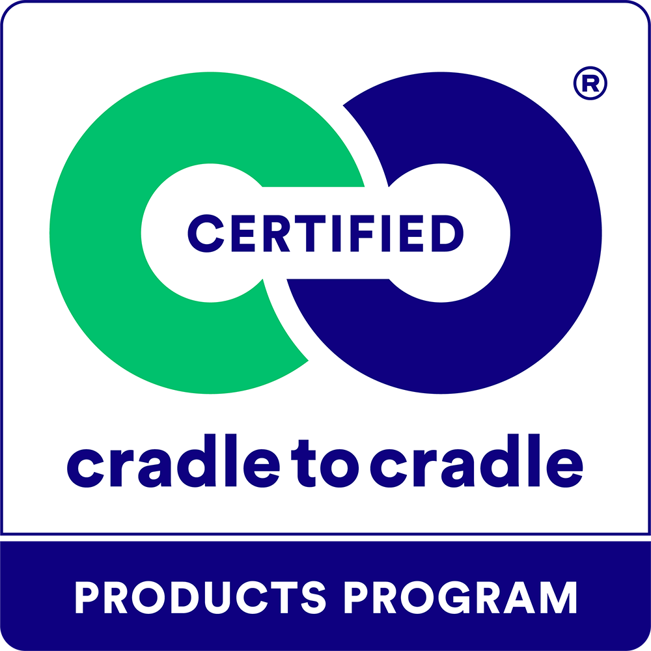
Assessment Summary Form for the Cradle to Cradle Certified® Products Program

Applicant Company:
Product:
Submission Date:

Purpose
This purpose of this document is to summarize the outcomes of the assessment of products applying for Cradle to Cradle certification according to Version 4.0 of the Cradle to Cradle Certified Product Standard (‘the standard’). The intention is that an accurately completed form contains all of the information required for third-party review by the Cradle to Cradle Products Innovation Institute (C2CPII) for the purposes of awarding certification.
Worksheet Overview

Attestation | Assessor Attestation to be filled out by the assessor prior to submission to C2CPII.
Admin | Administrative information required for certification assessment.
Facilities | A list of relevent final manufacturing facilities within the scope of assessment.
Products Covered | A list of all uniquely identified products covered by the certification.
Eligibility | Eligibility requirements for a product to participate in the certification program.
General | General requirements of the certification program.
Material Health | Requirements for the Material Health category of the certification standard.
MH Assessment Info | To be filled out only by a Material Health Assessor, to verify conformance with the Material Health Assessment Methodology.
MHC & Optional MH Reporting | Information to be provided for products seeking a Material Health Certificate.
Product Circularity | Requirements for the Product Circularity category of the certification standard.
Clean Air & Climate Protection | Requirements for the Clean Air & Climate Protection category of the certification standard.
Water & Soil Stewardship | Requirements for the Water & Soil Stewardship category of the certification standard.
Social Fairness | Requirements for the Social Fairness category of the certification standard.
Packaging | Requirements related to the inclusion of product packaging within the scope of certification.
Animal Welfare | Requirements related to the Animal Welfare section of the certification standard.
Private Labels | Requirements related to Private Label certification.
Instructions for Applicants
Applicants may use this form as a starting point in gathering documentation in support of certification, and to self assess progress towards meeting all requirements of the standard. Starting with the Eiligibility tab, each category of the standard has a corresponding tab in this worksheet with a table featuring all requirements that must be met to achieve each level of the standard. Applicants should use the "Applicant Checklist" section of each table to mark whether they believe the requirement has been completed. An applicant may also mark a requirement as Not Completed or Uncertain, to come back to it later or get help from their assessor. For each requirement, one or more documents should be listed in the List of Supporting Documents column and an explanation should be provided as to how the requirement is met, including reference to specific sections of the referenced document, where necessary. Please provide all documents in English to the degree possible. If this is not possible, please provide documents in a format that is readable by google translate. For non-English documents, the assessor and/or C2CPII may request translations.
Instructions for Assessors
A Cradle to Cradle Certified Assessor may provide this form to a client as an initial self assessment step. Alternatively, an assessor may complete this form on behalf of their client. In this case, the applicant response and explanation columns may be left blank. An assessor must ensure all information has been properly completed in the Admin, Facilities, and Products Covered tabs, and complete the Assessor Verification section for each requirements table, as well as ensure all supporting documentation is listed in the List of Supporting Documents. The completed assessment form should provide verification that all requirements have been met to achieve certification, along with references to relevant documentation and explanations of how the documentation shows the requirement has been met.
Assessor Attestation
On the second tab, the assessor must provide a digital signature (as an image) in the place provided. Submissions without the assessor’s signature included will not be accepted.
Additional Guidance
This form contains general instructions for providing information to support a certification decision. Please refer to the standard, methodologies, and guidance documents for detailed guidance on required methods, documentation, and the definitions of certification criteria.
Recertification
This form is also to be used for recertification applications. For recertification, the application must demonstrate the fulfillment of each individual requirement and also highlight changes and progress that occurred with respect to the previous certification of this product or product group.
Documentation Guidelines
Where required, supporting documentation that needs to be submitted to demonstrate fulfillment of a given requirement is provided in the Required Documentation columns. Supporting documents should be submitted as separate attachments alongside the completed assessment summary form. Enter the filename in the List of Supporting Documents column. Follow a systematic naming format for all submitted files.. The suggested format is the following: ‘Section code’_’Document type’_’Company name’_’Product name’_’year’.pdf. Here is an example: ‘MH_BOM_AcmeCo_iAnvil_2015.pdf’. See the table below for a list of section codes.

Section Name | Section Code
General/Administrative | GA
Material Health | MH
Product Circularity | PC
Clean Air & Carbon Protection | CACP
Water & Soil Stewardship | WSS
Social Fairness | SF
Packaging | PKG
Animal Welfare | AW
Private Labels | PLC

Application Submission
After all required information has been included in this assessment form:
1. Thoroughly review the form to ensure it is complete, does not contain inaccurate information or typos, and that all relevant requirements have been addressed with a confirmation, explanation, and document references as needed.
2. Name the file following this convention: AS_’Product name’_’Date submitted (YYMMDD)’.pdf.
3. Submit the completed form and all supporting documentation (total file size not to exceed 25 MB) in a single email to certification@c2ccertified.org, with applicant company and product name in the subject line.
...

